Tire Data
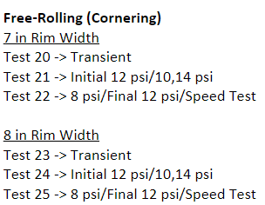
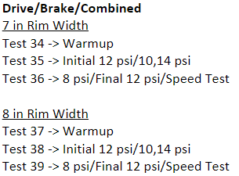
C_stiff vs. IA (Initial 12 psi)
 |  | Fy Plots |  | Fx Plots |  |  | Spring Rate and Cornering Stiffness Table |  |  |  |  |  |  |  | Cornering Stiffness vs. Inclination Angle Given Nominal Load |  |  |  | Cornering Stiffness vs. Nominal Load Given Inclination Angle
 |  | Run 21 | Run 24 | Run 35 | Run 38 | Initial 12 psi, 10 psi, 14 psi | Run No. | Spring | P | IA | Nominal | CS | CSC | FY-0 |  | Nominal Load | Inclination Angle | C_stiff |  | Inclination Angle | Nominal Load | C_stiff
 |  | Front | Front | Front | Front |  |  | rate |  |  | Load |  |  |  | 12 psi | 50 | 0 | 75 | 12 psi | 0 | 50 | 75
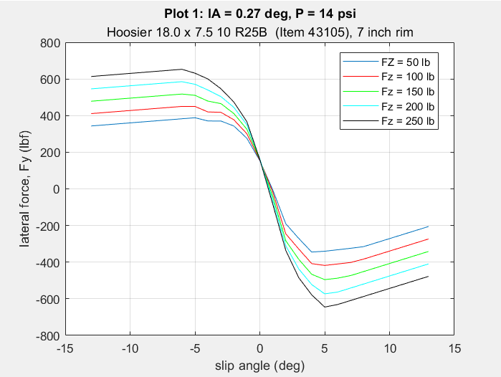
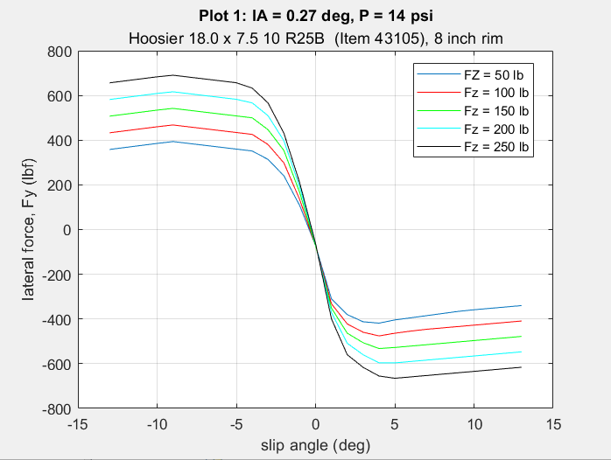
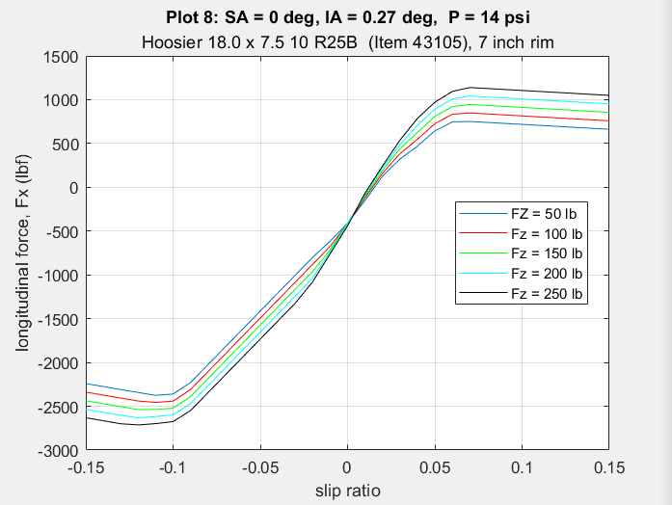
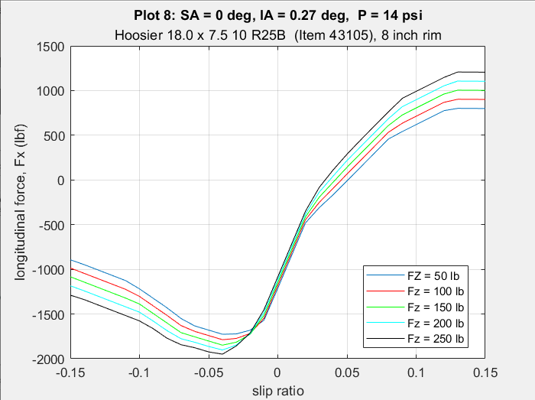
 |  |  |  |  |  |  |  | (lbs/in) | (psi) | (deg) | (lbs) | (lbs/deg) |  | (lbs) |  |  | 2 | 61 |  |  | 100 | 102
 |  |  |  |  |  |  | 1654-21 | 635 | 12 | 0 | 250 | 155 | 0.619 | 11 |  |  | 4 | 46 |  |  | 150 | 125
 |  |  |  |  |  |  |  | - |  | 0 | 200 | 141 | 0.705 | 10 |  | 100 | 0 | 102 |  |  | 200 | 141
 |  |  |  |  |  |  |  | - |  | 0 | 150 | 125 | 0.831 | 9 |  |  | 2 | 90 |  |  | 250 | 153.5
 |  |  |  |  |  |  |  | - |  | 0 | 50 | 75 | 1.495 | 3 |  |  | 4 | 74 |  | 2 | 50 | 61
Run 21 | Run 34 |  |  |  |  |  |  | - |  | 0 | 250 | 152 | 0.61 | 10 |  | 150 | 0 | 125 |  |  | 100 | 90
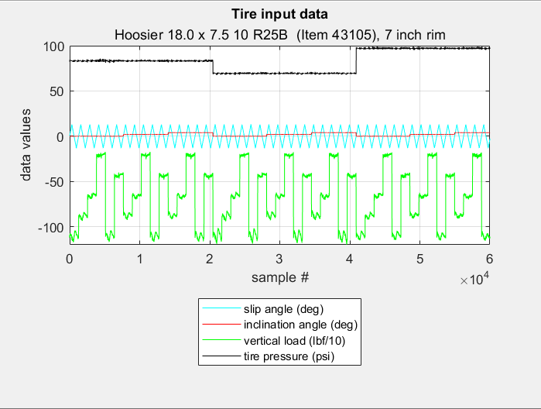
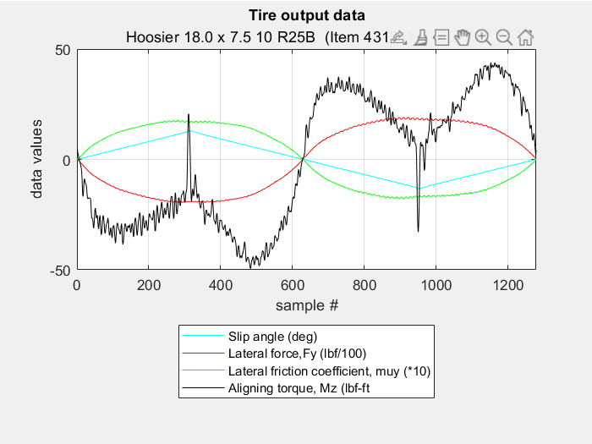
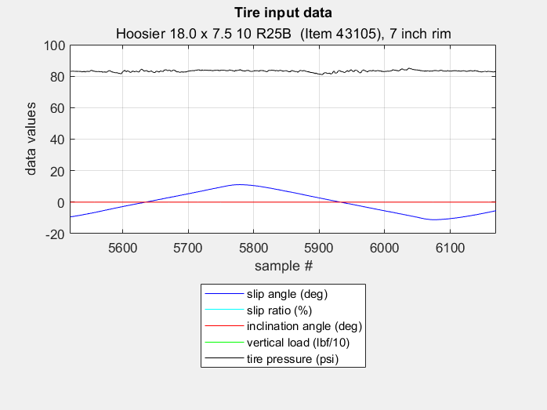
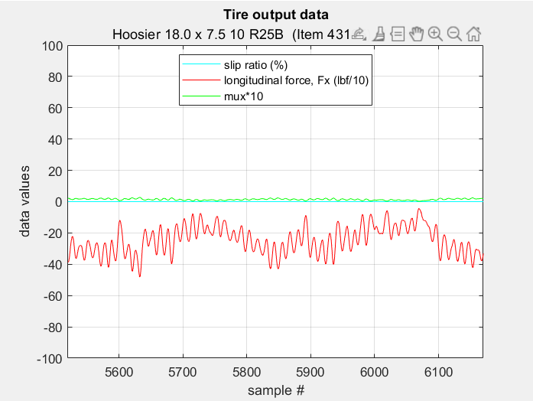
 |  |  |  |  |  |  |  | - |  | 0 | 100 | 102 | 1.018 | 6 |  |  | 2 | 115 |  |  | 150 | 115
 |  |  |  |  |  |  |  | 578 |  | 2 | 200 | 134 | 0.671 | 43 |  |  | 4 | 95 |  |  | 200 | 134
 |  |  |  |  |  |  |  | - |  | 2 | 150 | 115 | 0.764 | 29 |  | 200 | 0 | 141 |  |  | 250 | 145
 |  |  |  |  |  |  |  | - |  | 2 | 50 | 61 | 1.229 | 0 |  |  | 2 | 134 |  | 4 | 50 | 46
 |  |  |  |  |  |  |  | - |  | 2 | 250 | 145 | 0.581 | 55 |  |  | 4 | 116 |  |  | 100 | 74
 |  |  |  |  |  |  |  | - |  | 2 | 100 | 90 | 0.905 | 13 |  | 250 | 0 | 153.5 |  |  | 150 | 95
 |  |  |  |  |  |  |  | 500 |  | 4 | 200 | 116 | 0.58 | 62 |  |  | 2 | 145 |  |  | 200 | 116
 |  | Rear | Rear | Rear | Rear |  |  | - |  | 4 | 150 | 95 | 0.633 | 39 |  |  | 4 | 132 |  |  | 250 | 132
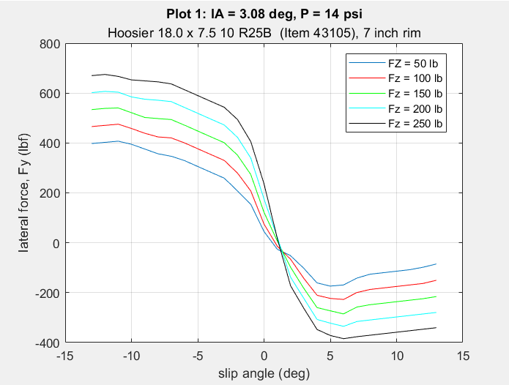
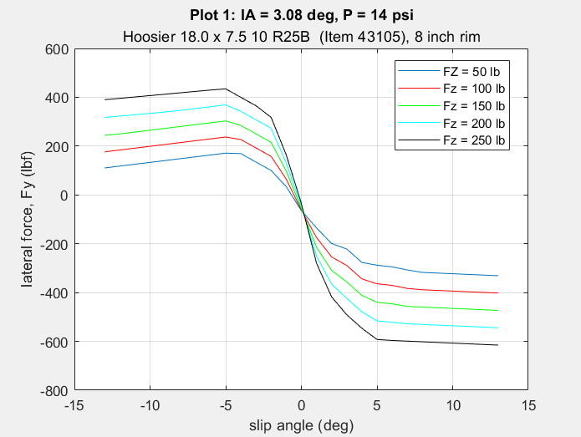
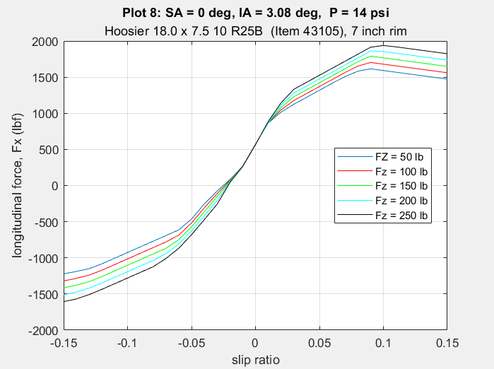
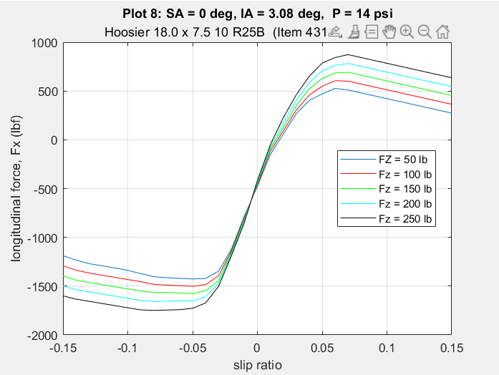
 |  |  |  |  |  |  |  | - |  | 4 | 50 | 46 | 0.921 | 1
C_stiff vs. IA (10 psi)
 |  |  |  |  |  |  |  | - |  | 4 | 250 | 132 | 0.529 | 84 | 10 psi | 50 | 0 | 75 | 10 psi | 0 | 50 | 75
 |  |  |  |  |  |  |  | - |  | 4 | 100 | 74 | 0.738 | 18 |  |  | 2 | 60 |  |  | 100 | 104
 |  |  |  |  |  |  |  | 579 | 10 | 0 | 250 | 149 | 0.596 | 5 |  |  | 4 | 45 |  |  | 150 | 125
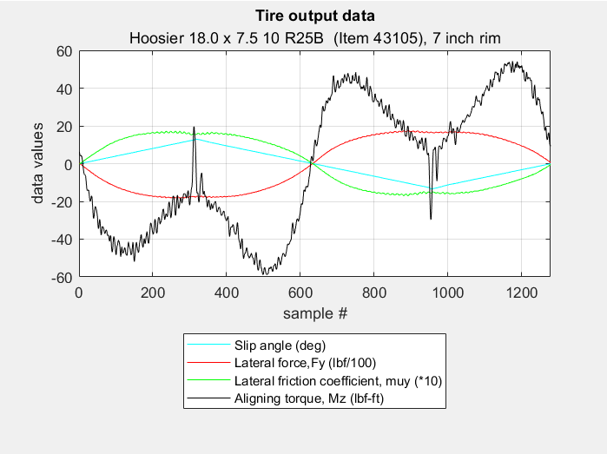
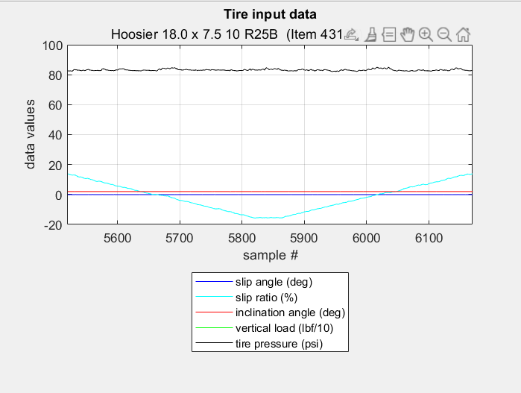
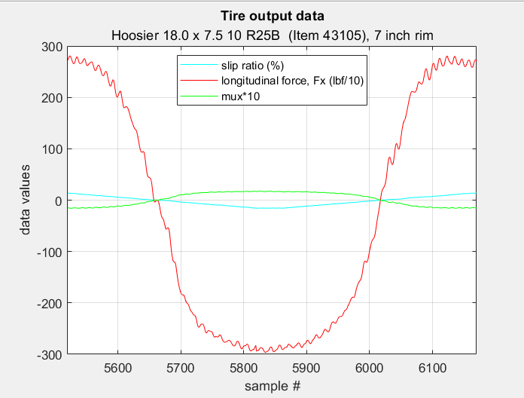
Run 22 | Run 35 |  |  |  |  |  |  | - |  | 0 | 200 | 139 | 0.695 | 9 |  | 100 | 0 | 104 |  |  | 200 | 139
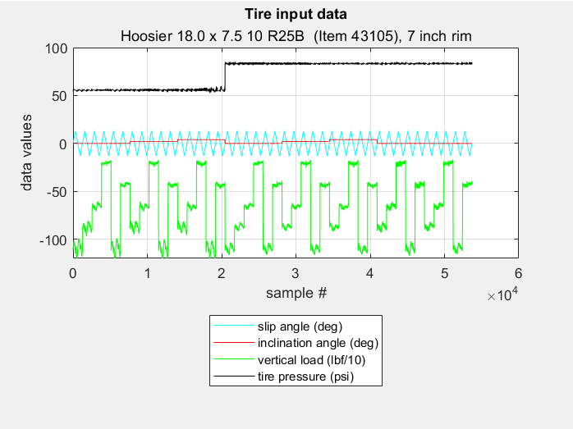
 |  |  |  |  |  |  |  | - |  | 0 | 150 | 125 | 0.834 | 10 |  |  | 2 | 91 |  |  | 250 | 147
 |  |  |  |  |  |  |  | - |  | 0 | 50 | 75 | 1.49 | 4 |  |  | 4 | 74 |  | 2 | 50 | 60
 |  |  |  |  |  |  |  | - |  | 0 | 250 | 145 | 0.58 | 8 |  | 150 | 0 | 125 |  |  | 100 | 91
 |  |  |  |  |  |  |  | - |  | 0 | 100 | 104 | 1.036 | 8 |  |  | 2 | 115 |  |  | 150 | 115
 |  |  |  |  |  |  |  | 522 |  | 2 | 200 | 132 | 0.662 | 49 |  |  | 4 | 97 |  |  | 200 | 132
 |  |  |  |  |  |  |  | - |  | 2 | 150 | 115 | 0.764 | 37 |  | 200 | 0 | 139 |  |  | 250 | 139
 |  |  |  |  |  |  |  | - |  | 2 | 50 | 60 | 1.209 | 3 |  |  | 2 | 132 |  | 4 | 50 | 45
 |  |  |  |  |  |  |  | - |  | 2 | 250 | 139 | 0.558 | 55 |  |  | 4 | 119 |  |  | 100 | 74
 |  |  |  |  |  |  |  | - |  | 2 | 100 | 91 | 0.907 | 20 |  | 250 | 0 | 147 |  |  | 150 | 97
 |  | Run 22 | Run 25 | Run 36 | Run 39 |  |  | 451 |  | 4 | 200 | 119 | 0.597 | 74 |  |  | 2 | 139 |  |  | 200 | 119
 |  | Front | Front | Front | Front |  |  | - |  | 4 | 150 | 97 | 0.646 | 49 |  |  | 4 | 132 |  |  | 250 | 132
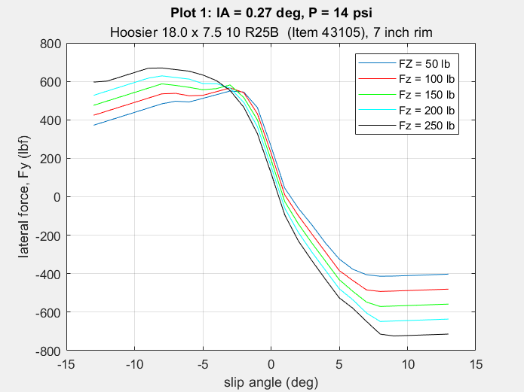
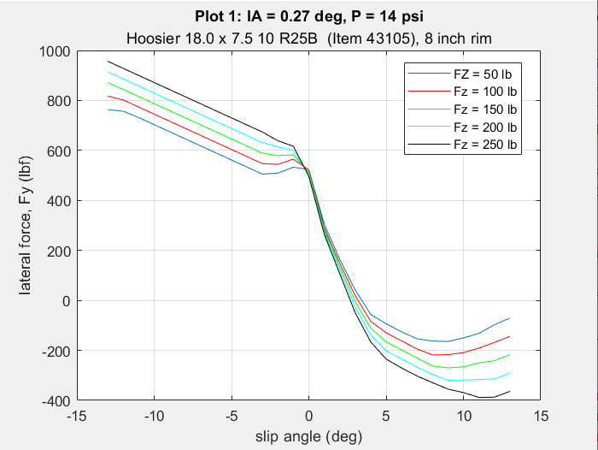
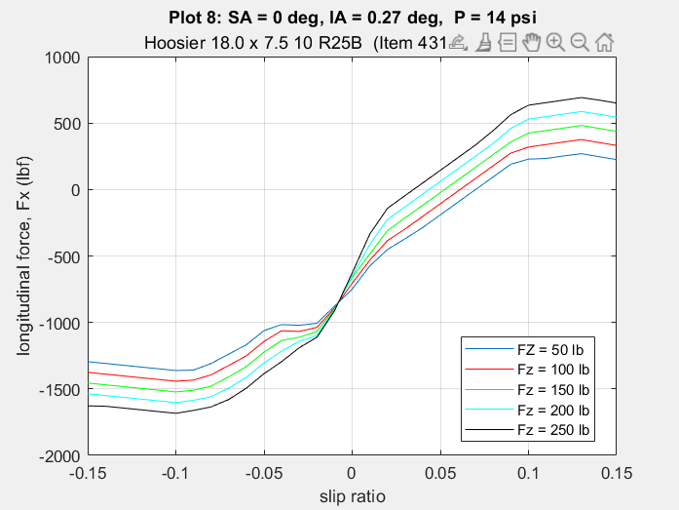
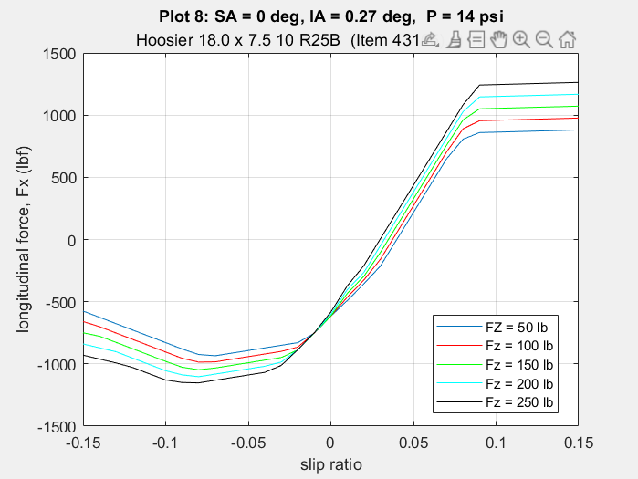
 |  |  |  |  |  |  |  | - |  | 4 | 50 | 45 | 0.891 | 4
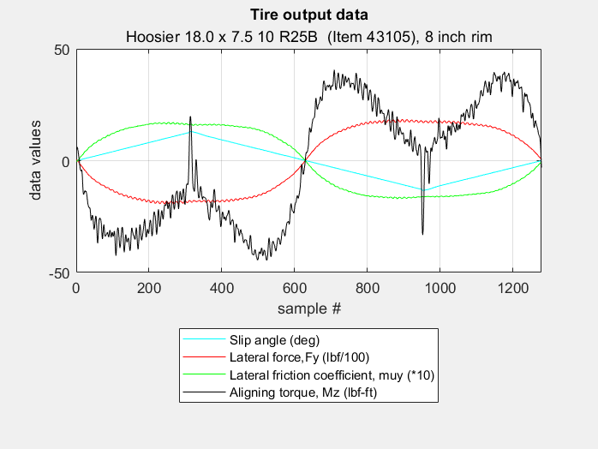
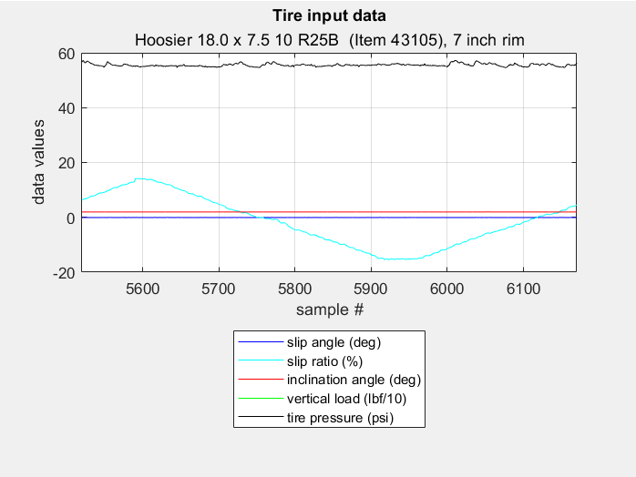
C_stiff vs. IA (14 psi)
Run 24 | Run 36 |  |  |  |  |  |  | - |  | 4 | 250 | 132 | 0.528 | 93 | 14 psi | 50 | 0 | 66 | 14 psi | 0 | 50 | 66
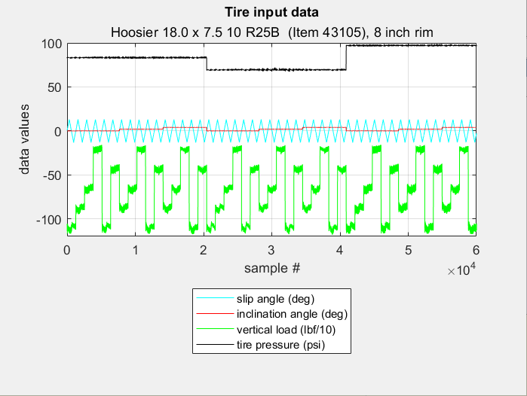
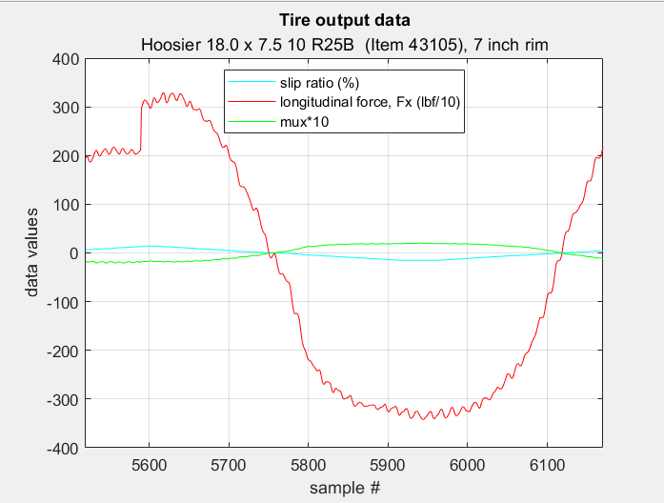
 |  |  |  |  |  |  |  | - |  | 4 | 100 | 74 | 0.736 | 24 |  |  | 2 | 54 |  |  | 100 | 91
 |  |  |  |  |  |  |  | 671 | 14 | 0 | 250 | 152 | 0.61 | 9 |  |  | 4 | 40 |  |  | 150 | 116
 |  |  |  |  |  |  |  | - |  | 0 | 200 | 137 | 0.683 | 10 |  | 100 | 0 | 91 | 4 |  | 200 | 137
 |  |  |  |  |  |  |  | - |  | 0 | 150 | 116 | 0.773 | 10 |  |  | 2 | 81 |  |  | 250 | 151
 |  |  |  |  |  |  |  | - |  | 0 | 50 | 66 | 1.313 | 3 |  |  | 4 | 66 |  | 2 | 50 | 54
 |  |  |  |  |  |  |  | - |  | 0 | 250 | 150 | 0.601 | 10 |  | 150 | 0 | 116 |  |  | 100 | 81
 |  |  |  |  |  |  |  | - |  | 0 | 100 | 91 | 0.914 | 7 |  |  | 2 | 107 |  |  | 150 | 107
 |  |  |  |  |  |  |  | 613 |  | 2 | 200 | 128 | 0.64 | 36 |  |  | 4 | 88 |  |  | 200 | 128
 |  |  |  |  |  |  |  | - |  | 2 | 150 | 107 | 0.711 | 23 |  | 200 | 0 | 137 |  |  | 250 | 143
 |  |  |  |  |  |  |  | - |  | 2 | 50 | 54 | 1.071 | 1 |  |  | 2 | 128 |  | 4 | 50 | 40
 |  |  |  |  |  |  |  | - |  | 2 | 250 | 143 | 0.573 | 48 |  |  | 4 | 110 |  |  | 100 | 66
 |  | Rear | Rear | Rear | Rear |  |  | - |  | 2 | 100 | 81 | 0.815 | 10 |  | 250 | 0 | 151 |  |  | 150 | 88
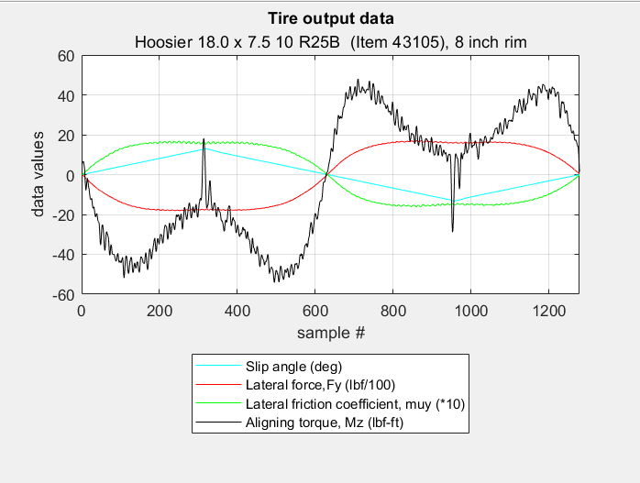
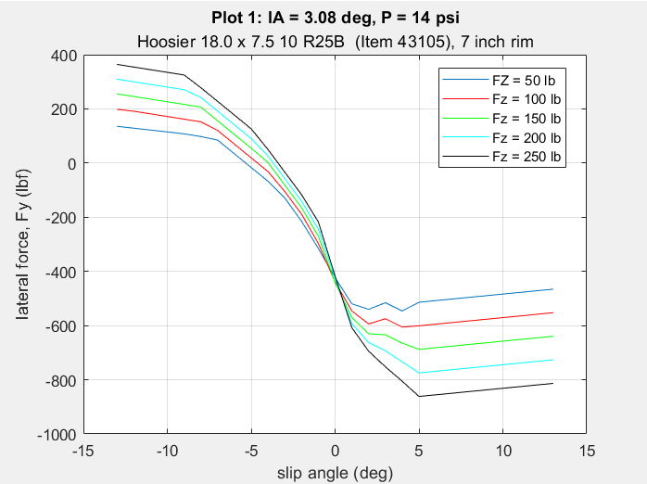
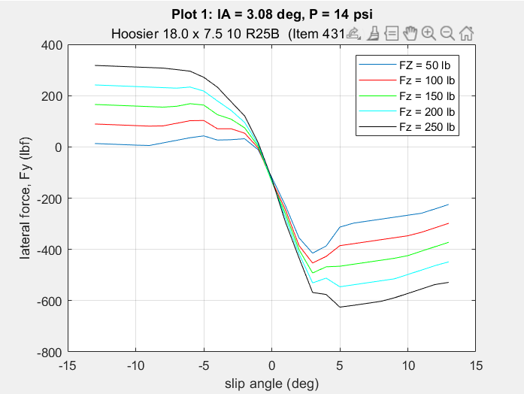
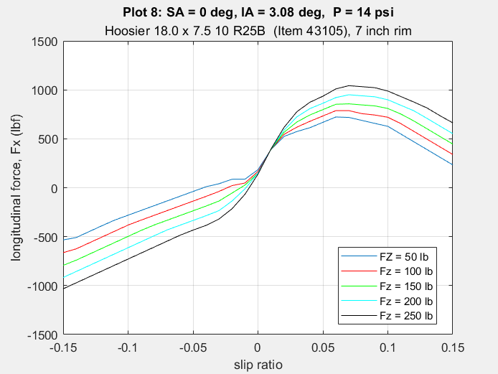
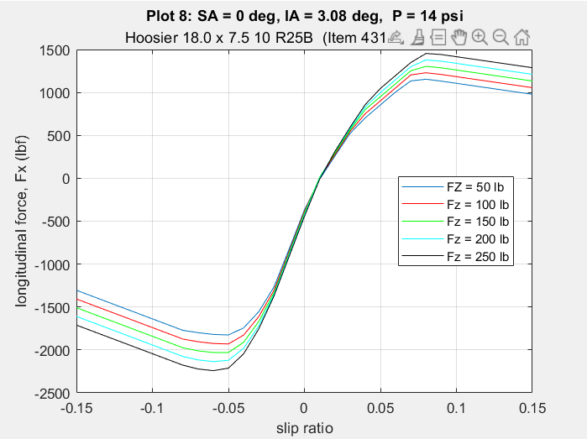
Run 25 | Run 37 |  |  |  |  |  |  | 533 |  | 4 | 200 | 110 | 0.551 | 51 |  |  | 2 | 143 |  |  | 200 | 110
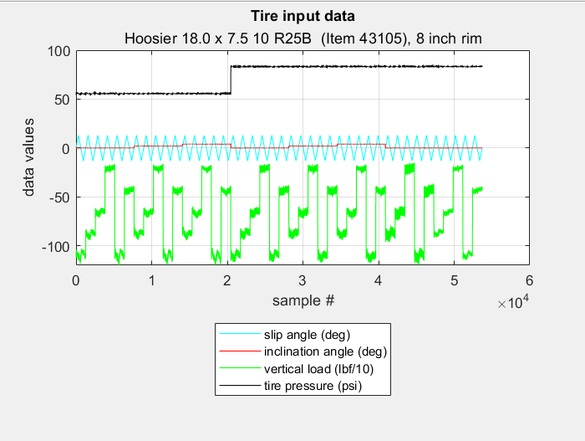
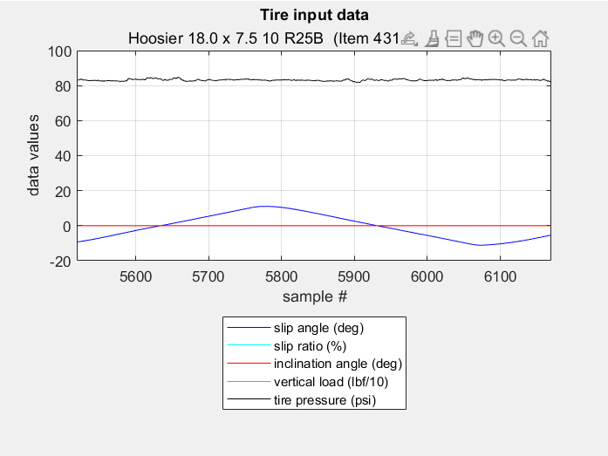
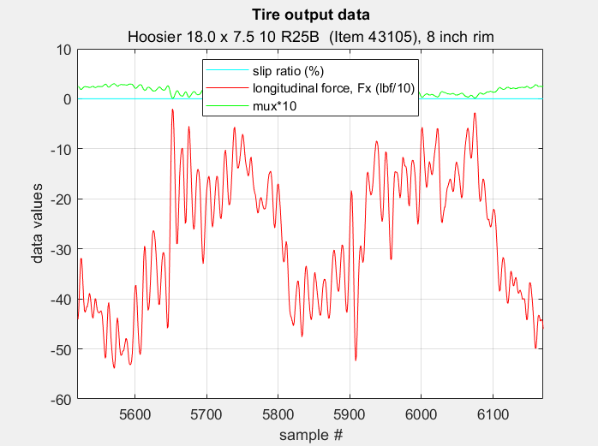
 |  |  |  |  |  |  |  | - |  | 4 | 150 | 88 | 0.588 | 31 |  |  | 4 | 127 |  |  | 250 | 127
 |  |  |  |  |  |  |  | - |  | 4 | 50 | 40 | 0.798 | 1
 |  |  |  |  |  |  |  | - |  | 4 | 250 | 127 | 0.51 | 72
 |  |  |  |  |  |  |  | - |  | 4 | 100 | 66 | 0.665 | 14

 |  |  |  |  |  | 8 psi, Final 12 psi, Speed Test | 1654-22 | 499 | 8 | 0 | 250 | 134 | 0.538 | 9
 |  |  |  |  |  |  |  | - |  | 0 | 200 | 127 | 0.637 | 9
 |  |  |  |  |  |  |  | - |  | 0 | 150 | 116 | 0.771 | 10
 |  |  |  |  |  |  |  | - |  | 0 | 50 | 73 | 1.45 | 6
 |  |  |  |  |  |  |  | - |  | 0 | 250 | 130 | 0.521 | 7
 |  |  |  |  |  |  |  | - |  | 0 | 100 | 99 | 0.994 | 10
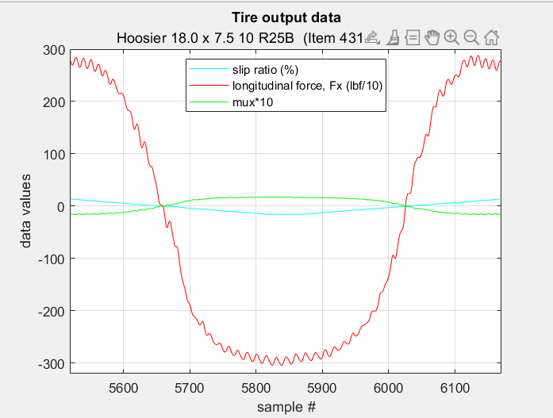
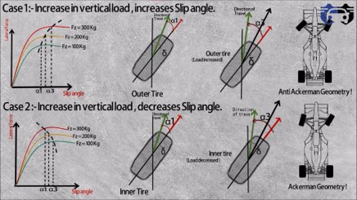
 | Run 38 |  |  |  |  |  |  | 459 |  | 2 | 200 | 124 | 0.619 | 50
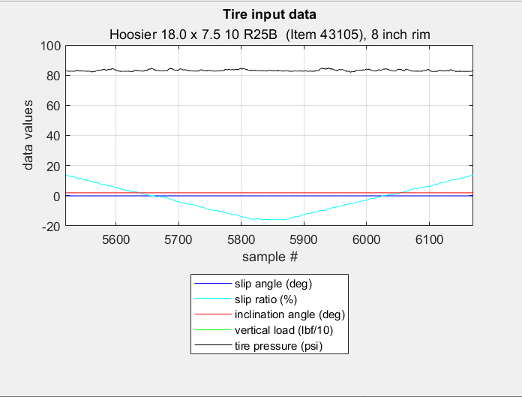
 |  |  |  |  |  |  |  | - |  | 2 | 150 | 111 | 0.74 | 41
 |  |  |  |  |  |  |  | - |  | 2 | 50 | 58 | 1.169 | 7
 |  |  |  |  |  |  |  | - |  | 2 | 250 | 127 | 0.506 | 53
 |  |  |  |  |  |  |  | - |  | 2 | 100 | 90 | 0.897 | 26
 |  |  |  |  |  |  |  | 399 |  | 4 | 200 | 115 | 0.576 | 81
 |  |  |  |  |  |  |  | - |  | 4 | 150 | 99 | 0.661 | 59
 |  |  |  |  |  |  |  | - |  | 4 | 50 | 42 | 0.85 | 7
 |  |  |  |  |  |  |  | - |  | 4 | 250 | 118 | 0.474 | 93
 |  |  |  |  |  |  |  | - |  | 4 | 100 | 73 | 0.73 | 30
 |  |  |  |  |  |  |  | 617 | 12 | 0 | 250 | 146 | 0.585 | 8
 |  |  |  |  |  |  |  | - |  | 0 | 200 | 134 | 0.668 | 11
 |  |  |  |  |  |  |  | - |  | 0 | 150 | 115 | 0.767 | 11
 | Run 39 |  |  |  |  |  |  | - |  | 0 | 50 | 66 | 1.326 | 5
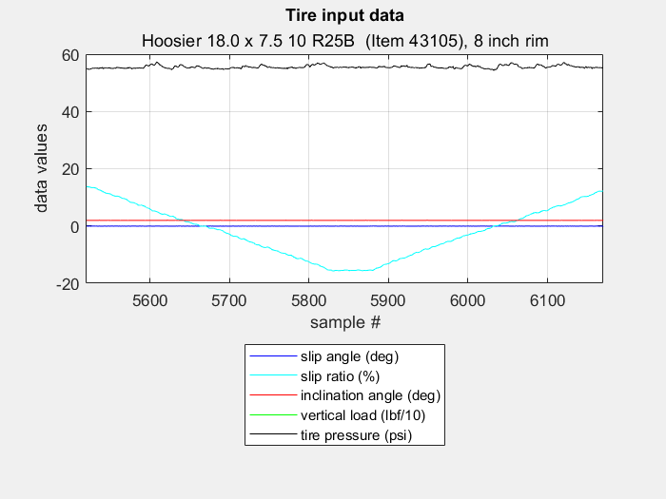
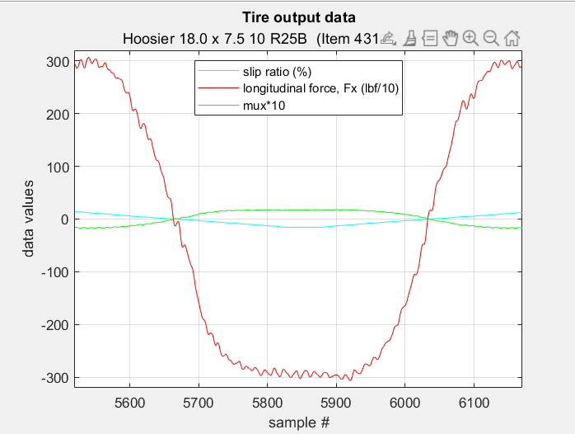
 |  |  |  |  |  |  |  | - |  | 0 | 250 | 145 | 0.579 | 10
 |  |  |  |  |  |  |  | - |  | 0 | 100 | 92 | 0.92 | 9
 |  |  |  |  |  |  |  | 570 |  | 2 | 200 | 126 | 0.628 | 41
 |  |  |  |  |  |  |  | - |  | 2 | 150 | 107 | 0.711 | 29
 |  |  |  |  |  |  |  | - |  | 2 | 50 | 54 | 1.088 | 3
 |  |  |  |  |  |  |  | - |  | 2 | 250 | 139 | 0.555 | 49
 |  |  |  |  |  |  |  | - |  | 2 | 100 | 82 | 0.824 | 15
 |  |  |  |  |  |  |  | 490 |  | 4 | 200 | 111 | 0.556 | 58
 |  |  |  |  |  |  |  | - |  | 4 | 150 | 89 | 0.591 | 37
 |  |  |  |  |  |  |  | - |  | 4 | 50 | 40 | 0.798 | 3
 |  |  |  |  |  |  |  | - |  | 4 | 250 | 128 | 0.511 | 80
 |  |  |  |  |  |  |  | - |  | 4 | 100 | 67 | 0.669 | 18
Credits: |  |  |  |  |  |  |  | 574 |  | 0 | 200 | 130 | 0.651 | 10
Cpt. Hamilton |  |  |  |  |  |  |  | - |  | 0 | 150 | 114 | 0.758 | 12
 |  |  |  |  |  |  |  | - |  | 0 | 50 | 65 | 1.302 | 6
 |  |  |  |  |  |  |  | - |  | 0 | 250 | 142 | 0.57 | 9
 |  |  |  |  |  |  |  | - |  | 0 | 100 | 91 | 0.91 | 11
 |  |  |  |  |  |  |  | - |  | 0 | 200 | 140 | 0.702 | 12
 |  |  |  |  |  |  |  | - |  | 0 | 150 | 116 | 0.771 | 11
 |  |  |  |  |  |  |  | - |  | 0 | 50 | 63 | 1.264 | 6
 |  |  |  |  |  |  |  | - |  | 0 | 250 | 148 | 0.593 | 9
 |  |  |  |  |  |  |  | - |  | 0 | 100 | 87 | 0.868 | 9

 |  |  |  |  |  |  | Pyrometer Readings
 |  |  |  |  |  |  |  |  | Temp. (F)
 |  |  |  |  |  |  | Run # | Tire # | Outboard | Center | Inboard
 |  |  |  |  |  |  | 21 | 19 | 144 | 129 | 116
 |  |  |  |  |  |  | 24 | 20 | 150 | 128 | 117
 |  |  |  |  |  |  | 35 | 21 | 164 | 156 | 137
 |  |  |  |  |  |  | 38 | 22 | 160 | 145 | 128

 |  |  |  |  |  |  | Pre and Post Test Spring Rate Table

 |  |  |  |  |  |  | Run No. | Description | P | V | IA | Spring Rate
 |  |  |  |  |  |  |  |  | (psi) | (mph) | (deg) | (lbs/in)

 |  |  |  |  |  |  | 20 | Pre Test Static | 12 | 0 | 0 | 787.3
 |  |  |  |  |  |  |  |  |  |  | 2 | 668.4
 |  |  |  |  |  |  |  |  |  |  | 4 | 571.6
 |  |  |  |  |  |  |  | Pre cold to hot Dynamic |  | 25 | 0 | 882.9
 |  |  |  |  |  |  |  |  |  |  | 2 | 691.0
 |  |  |  |  |  |  |  |  |  |  | 4 | 545.1
 |  |  |  |  |  |  | 21 | Post cold to hot | 12 | 25 | 0 | 723.4
 |  |  |  |  |  |  |  |  |  |  | 2 | 634.6
 |  |  |  |  |  |  |  |  |  |  | 4 | 528.1
 |  |  |  |  |  |  |  | Post Test Dynamic | 12 | 25 | 0 | 638.7
 |  |  |  |  |  |  |  |  |  |  | 2 | 591.2
 |  |  |  |  |  |  |  |  |  |  | 4 | 508.7
 |  |  |  |  |  |  |  | Post Test Dynamic | 10 | 25 | 0 | 575.9
 |  |  |  |  |  |  |  |  |  |  | 2 | 539.9
 |  |  |  |  |  |  |  |  |  |  | 4 | 461.6
 |  |  |  |  |  |  |  | Post Test Dynamic | 14 | 25 | 0 | 676.9
 |  |  |  |  |  |  |  |  |  |  | 2 | 628.9
 |  |  |  |  |  |  |  |  |  |  | 4 | 546.0
 |  |  |  |  |  |  | 22 | Post Test Dynamic | 8 | 25 | 0 | 497.4
 |  |  |  |  |  |  |  |  |  |  | 2 | 478.4
 |  |  |  |  |  |  |  |  |  |  | 4 | 413.5
 |  |  |  |  |  |  |  | Post Test Dynamic | 12 | 25 | 0 | 630.8
 |  |  |  |  |  |  |  |  |  |  | 2 | 590.7
 |  |  |  |  |  |  |  |  |  |  | 4 | 503.1
 |  |  |  |  |  |  | 23 | Pre Test Static | 12 | 0 | 0 | 810.4
 |  |  |  |  |  |  |  |  |  |  | 2 | 718.3
 |  |  |  |  |  |  |  |  |  |  | 4 | 624.0
 |  |  |  |  |  |  |  | Pre cold to hot Dynamic |  | 25 | 0 | 822.5
 |  |  |  |  |  |  |  |  |  |  | 2 | 711.5
 |  |  |  |  |  |  |  |  |  |  | 4 | 580.2
 |  |  |  |  |  |  | 24 | Post cold to hot | 12 | 25 | 0 | 710.5
 |  |  |  |  |  |  |  |  |  |  | 2 | 641.7
 |  |  |  |  |  |  |  |  |  |  | 4 | 545.5
 |  |  |  |  |  |  |  | Post Test Dynamic | 12 | 25 | 0 | 657.5
 |  |  |  |  |  |  |  |  |  |  | 2 | 607.9
 |  |  |  |  |  |  |  |  |  |  | 4 | 521.5
 |  |  |  |  |  |  |  | Post Test Dynamic | 10 | 25 | 0 | 599.1
 |  |  |  |  |  |  |  |  |  |  | 2 | 553.2
 |  |  |  |  |  |  |  |  |  |  | 4 | 469.4
 |  |  |  |  |  |  |  | Post Test Dynamic | 14 | 25 | 0 | 700.6
 |  |  |  |  |  |  |  |  |  |  | 2 | 651.7
 |  |  |  |  |  |  |  |  |  |  | 4 | 563.7
 |  |  |  |  |  |  | 25 | Post Test Dynamic | 8 | 25 | 0 | 528.1
 |  |  |  |  |  |  |  |  |  |  | 2 | 497.0
 |  |  |  |  |  |  |  |  |  |  | 4 | 421.3
 |  |  |  |  |  |  |  | Post Test Dynamic | 12 | 25 | 0 | 657.1
 |  |  |  |  |  |  |  |  |  |  | 2 | 610.5
 |  |  |  |  |  |  |  |  |  |  | 4 | 525.4

Geo Forces
Tire | Component | 0g Static | Max Acceleration (1.7g) | Max Deceleration (~1.55g) | Max Cornering (1.7g) - Skidpad | Tilt Test (1.7g C) | Cone Strike (5g Static) | Maximum Compression | Maximum Tension
 |  | (lbs) | (lbs) | (lbs) | (lbs) | (lbs) | (lbs) | (lbs) | (lbs)
Front Left (FL) | Longitudinal | 0 | 0 | 523.9194 | 0 | 0 | 0 | --- | ---
 | Lateral | 0 | 0 | 0 | 1232.236 | 2447.66 | 0 | --- | ---
 | Vertical | 168 | 72.01967 | 255.6767 | 172.0551 | 172.0551 | 840 | --- | ---
 | Steering Rod | -19.2489 | -8.25179 | 375.424 | 252.275 | 520.552 | -96.2446 | -96.2446 | 520.552
 | LAA Fore | 51.8076 | 22.2093 | 285.848 | -364.197 | -775.757 | 259.038 | -775.757 | 285.848
 | LAA Aft | 35.7388 | 15.3208 | -514.371 | -407.534 | -845.608 | 178.694 | -845.608 | 178.694
 | UAA Fore | -126.872 | -54.3885 | 178.733 | -511.813 | -888.487 | -634.36 | -888.487 | 178.733
 | UAA Aft | -180.159 | -77.2319 | -645.033 | -661.767 | -1132.52 | -900.793 | -1132.52 | 0
 | Pull Rod | 301.358 | 129.189 | 395.49 | 456.64 | 602.64 | 1506.79 | 0 | 1506.79
Front Right (FR) | Longitudinal | 0 | 0 | 523.9194 | 0 | 0 | 0 | --- | ---
 | Lateral | 0 | 0 | 0 | 1466.459 | 3993.55 | 0 | --- | ---
 | Longitudinal | 168 | 72.01967 | 255.6767 | 163.9449 | 163.9449 | 840 | --- | ---
 | Steering Rod | -19.2489 | -8.25179 | 375.424 | -342.472 | -900.27 | -96.2446 | -900.27 | 375.424
 | LAA Fore | 51.8076 | 22.2093 | 285.848 | 547.123 | 1402.83 | 259.038 | 0 | 1402.83
 | LAA Aft | 35.7388 | 15.3208 | -514.371 | 563.432 | 1474.27 | 178.694 | -514.371 | 1474.27
 | UAA Fore | -126.872 | -54.3885 | 178.733 | 330.658 | 1113.83 | -634.36 | -634.36 | 1113.83
 | UAA Aft | -180.159 | -77.2319 | -645.033 | 392.169 | 1370.96 | -900.793 | -900.793 | 1370.96
 | Pull Rod | 301.358 | 129.189 | 395.49 | 117.941 | -185.62 | 1506.79 | -185.62 | 1506.79
Rear Left (RL) | Longitudinal | 0 | 393.5128 | 353.3726 | 0 | 0 | 0 | --- | ---
 | Lateral | 0 | 0 | 0 | -0.97921 | -1250.1 | 0 | --- | ---
 | Longitudinal | 182 | 277.9803 | 94.32328 | 186.0652 | 186.0652 | 910 | --- | ---
 | Tie Rod | -173.139 | -879.137 | -641.72 | -176.996 | -54.9145 | -865.696 | -879.137 | 0
 | LAA Fore | 18.4092 | 352.214 | 300.578 | 18.8182 | 4.47001 | 92.0459 | 0 | 352.214
 | LAA Aft | 229.393 | 153.697 | -57.7236 | 234.999 | 704.94 | 1146.97 | -57.7236 | 1146.97
 | UAA Fore | -41.0412 | 208.375 | 222.14 | -41.9183 | 34.5174 | -205.206 | -205.206 | 222.14
 | UAA Aft | 130.624 | 594.869 | 422.727 | 133.992 | 624.87 | 653.122 | 0 | 653.122
 | Push Rod | -285.13 | -440.849 | -175.616 | -263.862 | -57.6241 | -1290.65 | -1290.65 | 0
Rear Right (RR) | Longitudinal | 0 | 393.5128 | 353.3726 | 0 | 0 | 0
 | Lateral | 0 | 0 | 0 | -1.12428 | -2039.63 | 0
 | Longitudinal | 182 | 277.9803 | 94.32328 | 177.9348 | 177.9348 | 910
 | Tie Rod | -173.139 | -879.137 | -641.72 | -169.296 | -368.528 | -865.696 | -879.137 | 0
 | LAA Fore | 18.4092 | 352.214 | 300.578 | 18.0018 | 41.4174 | 92.0459 | 0 | 352.214
 | LAA Aft | 229.393 | 153.697 | -57.7236 | 223.733 | -543.189 | 1146.97 | -543.189 | 1146.97
 | UAA Fore | -41.0412 | 208.375 | 222.14 | -40.173 | -164.912 | -205.206 | -205.206 | 222.14
 | UAA Aft | 130.624 | 594.869 | 422.727 | 127.2 | -673.89 | 653.122 | -673.89 | 653.122
 | Push Rod | -285.13 | -440.849 | -175.616 | -252.423 | -588.993 | -1290.65 | -1290.65 | 0

BUMP
Front

Rear
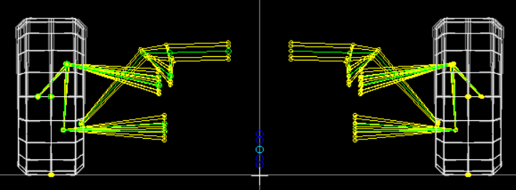

ROLL
Front

Rear
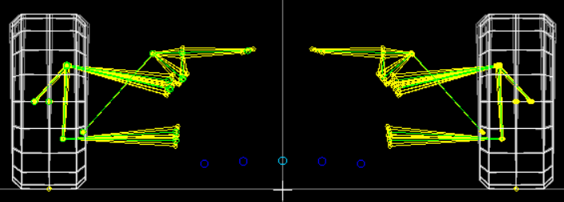

STEER
Front

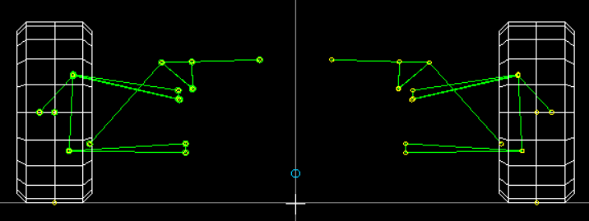
Rear

ARB Notes
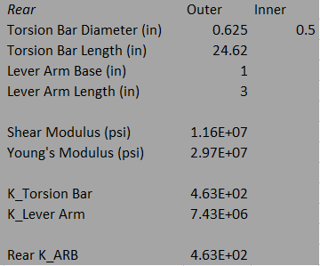
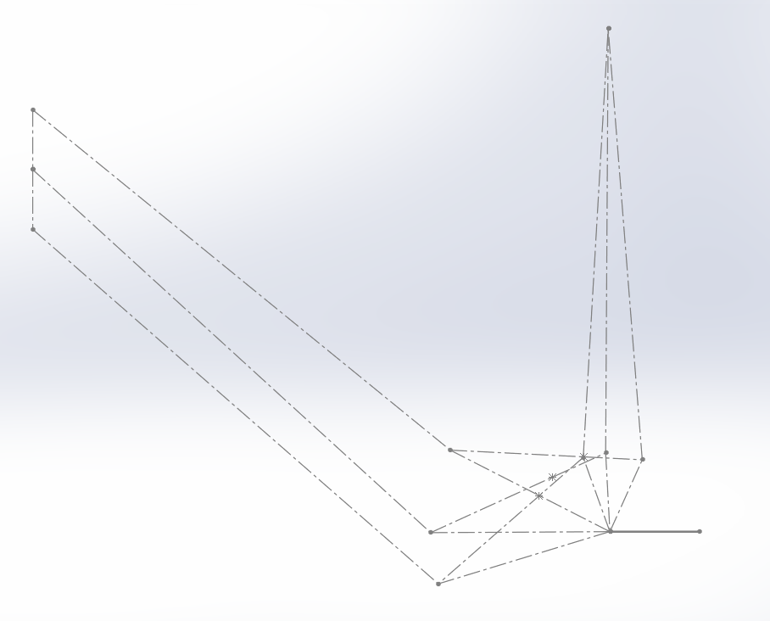
Motion Ratio
Front | Distance from Shock Point: 0.98 in |  | Bump | 0.6235
 |  |  | Droop | 0.3823
 |  |  | MR_ARB | 0.5029

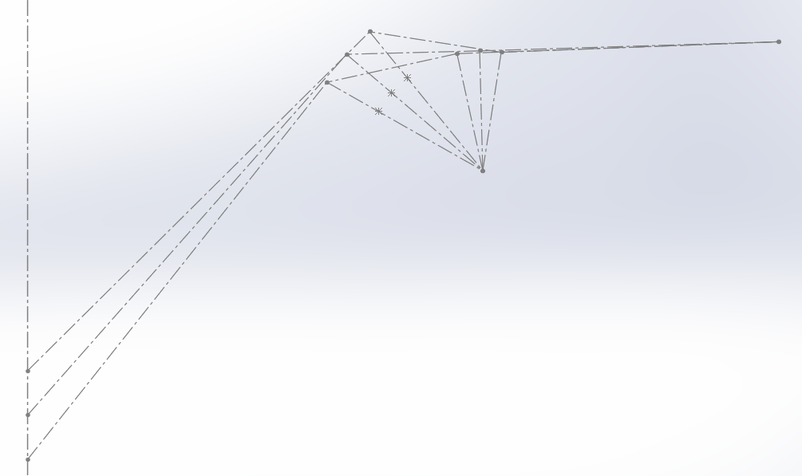
Rear | Distance from Pushrod Point: 1.3375 in |  | Bump | 0.4867
 |  |  | Droop | 0.5146
 |  |  | MR_ARB | 0.50065

ARB Design
Front | 4130 Steel
 |  | Lever Arm Length Range: 2.5-4 (deltaL = 0.5 in)
 |  | K_ARBmax | 6.94E+02
 |  | K_ARBmin | 2.71E+02

Ex:
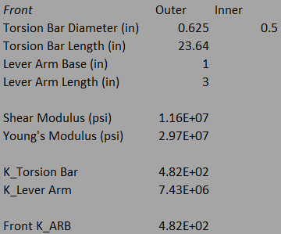

Rear | 4130 Steel
 |  | Lever Arm Length Range: 2.5-4 (deltaL = 0.5 in)
 |  | K_ARBmax | 6.67E+02
 |  | K_ARBmin | 2.60E+02

Ex:

